SANDAG MSAs
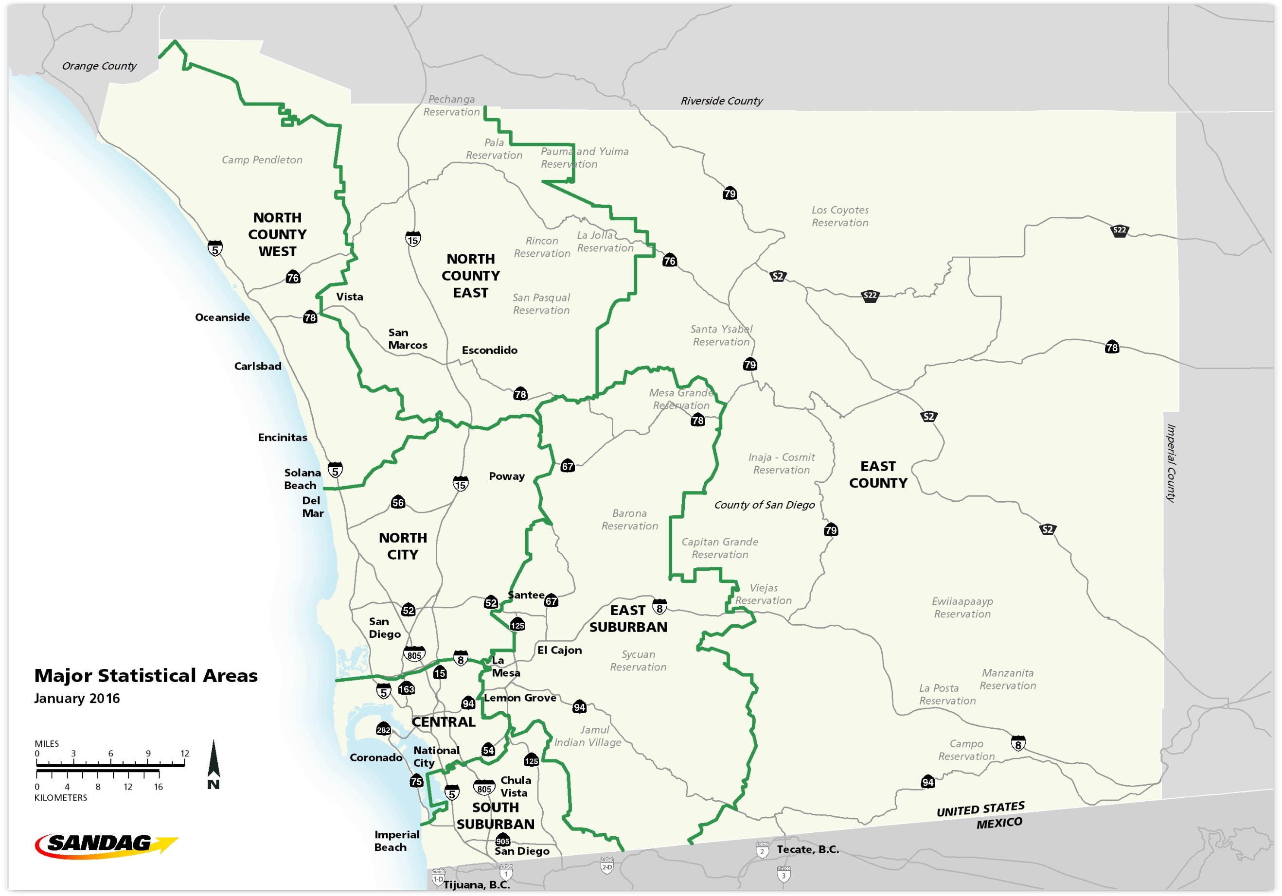

External Gateways
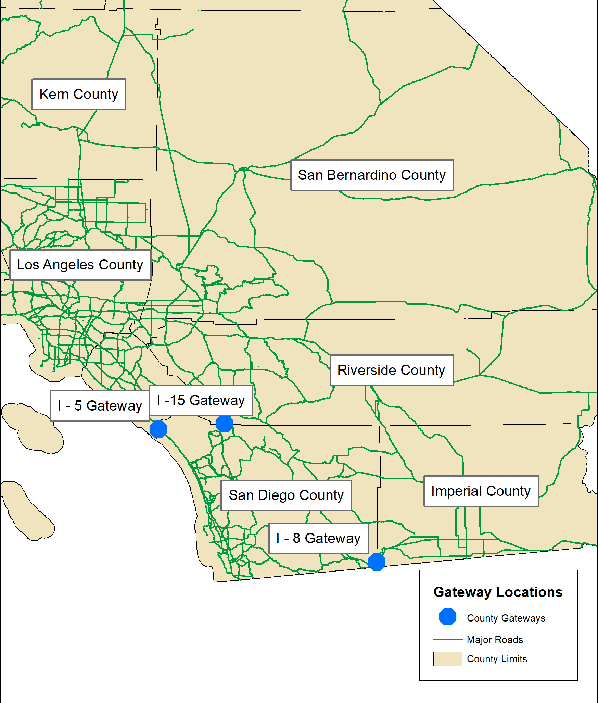
San Diego County Gateways
These locations are used to calculate vanpool distance traveled outside of San Diego County. The latitude & longitude values below correspond approximately to the intersection of the county boundary and the principal highways into San Diego.

Home County | Gateway | Gateway Latitude | Gateway Longitude
Imperial County | I-8 | 1814524 | 6606089
Riverside County | I-15 | 2102195 | 6289147
San Bernardino County | I-15 | 2102195 | 6289147
Orange County | I-5 | 2090594 | 6151524
Los Angeles County | I-5 | 2090594 | 6151524

